Contents
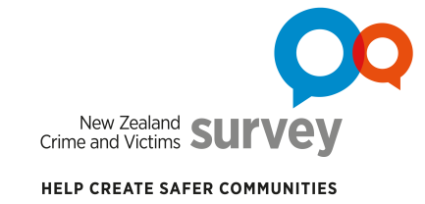
Data tables for NZCVS Key findings – Cycle 4 (2020/21) Section 10: Perceptions of safety

Contents
i | About the data tables |  | About the survey, interpreting statistics, symbol notation and links for further information.
ii | Terms and definitions |  | Selected terms and defintions.
iii | Where to find data tables for report tables and figures |  | A table listing tables and figures from Section 10 of the report, and where to find the corresponding data tables in this document.
Data tables |  | Sheet | Description | Relevant report1 section(s)
1 | Change in perceptions of safety overall | 10.1 | Perception of safety over time | 10.1
2 | Perception of safety and victimisation | 10.2 | Perception of safety with family whānau and victimisation | 10.2
3 | Feeling of safety for different demographic groups | 10.3 | Perception of safety by demographic factors – Estimates | 10.3
 |  | 10.3a | Perception of safety by demographic factors – Sampling error
 |  | 10.3b | Perception of safety by demographic factors – Pooled data (Cycle 1–Cycle 4) – Estimates and sampling error
4 | Feeling of safety with family whānau for different demographic groups | 10.4 | Perception of safety with family whānau by demographic factors – Estimates | 10.4
 |  | 10.4a | Perception of safety with family whānau by demographic factors – Sampling error
 |  | 10.5 | Ever feel unsafe when with family/whānau by demographic factors – Estimates and Sampling error
5 | Perception of safety by specific offence type | 10.6 | Interpersonal violence offences by perception of safety – Estimates
 |  | 10.6a | Interpersonal violence offences by perception of safety – Sampling error
 |  | 10.7 | Burglary by perception of safety – Estimates
 |  | 10.7a | Burglary by perception of safety – Sampling error
1 New Zealand Crime and Victims Survey (NZCVS) Key findings – Cycle 4 (2020/21) (available at Resources and results)

Enquiries
Contact us for further information about these and related statistics

Suggested citation
Ministry of Justice. 2022. New Zealand Crime and Victims Survey. Key findings Cycle 4. Section 10: Perceptions of safety. [Data file]. Wellington: Ministry of Justice.

Crown copyright © 2022
This work is licensed under the Creative Commons Attribution 4.0 New Zealand licence. You are free to copy, distribute, and adapt the work, as long as you attribute the work to New Zealand Ministry of Justice and abide by the other licence terms. Please note you may not use any departmental or governmental emblem, logo, or coat of arms in any way that infringes any provision of the Flags, Emblems, and Names Protection Act 1981. Use the wording “New Zealand Ministry of Justice” in your attribution, not the New Zealand Ministry of Justice logo.

