Contents
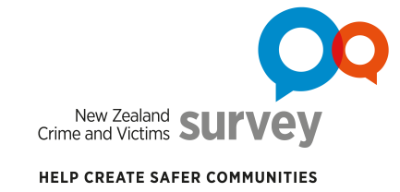
Data tables for NZCVS Key findings – Cycle 3 (2019/20) Section 3: How much crime is there in New Zealand?

Contents
i | About the data tables |  | About the survey, interpreting statistics, symbol notation and links for further information.
ii | Terms and definitions |  | Selected terms and defintions.
iii | Where to find data tables for report tables and figures |  | A table listing tables and figures from Section 3 of the report, and where to find the corresponding data tables in this document.
Data tables |  | Sheet | Description | Relevant report1 section(s)
1 | Overall victimisation by offence types | 3.1 | Overall victimisation by offence types – Estimates | 3.1, 3.2
 |  | 3.1a | Overall victimisation by offence types – Sampling error
2 | Broad offence groups | 3.2 | Victimisation by broad offence groups – Estimates | 3.3
 |  | 3.2a | Victimisation by broad offence groups – Sampling error
3 | Victimisation before and after the nationwide COVID-19 Alert Level 4 lockdown, by offence types | 3.3 | Overall victimisation by offence types, before and after the nationwide COVID-19 Alert Level 4 lockdown – Estimates | 3.4
 |  | 3.3a | Overall victimisation by offence types, before and after the nationwide COVID-19 Alert Leve l4 lockdown – Sampling error
1 New Zealand Crime and Victims Survey (NZCVS) Key findings – Cycle 3 (2019/20) (available at Resources and results)

Enquiries
Contact us for further information about these and related statistics

Suggested citation
Ministry of Justice. 2021. New Zealand Crime and Victims Survey. Key findings Cycle 3. Section 3: How much crime is there in New Zealand? [Data file]. Wellington: Ministry of Justice.

Crown copyright © 2021
This work is licensed under the Creative Commons Attribution 4.0 New Zealand licence. You are free to copy, distribute, and adapt the work, as long as you attribute the work to New Zealand Ministry of Justice and abide by the other licence terms. Please note you may not use any departmental or governmental emblem, logo, or coat of arms in any way that infringes any provision of the Flags, Emblems, and Names Protection Act 1981. Use the wording “New Zealand Ministry of Justice” in your attribution, not the New Zealand Ministry of Justice logo.

